Path Profile
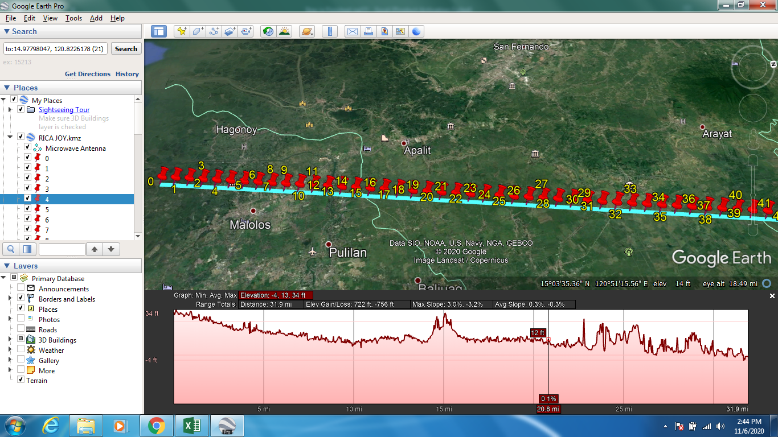
Serquiña, Rica Joy | Papa, John Vince R. | Banila, Kevin C.

TX |  |  | RX
Latitude: | 14.788677 |  | Latitude: | 15.23938611
Longitude: | 120.77937222 |  | Longitude: | 120.8824639 |  |  |  |  |  |  |  | 0

Total Distance (km): | 51.325088033 |  | Division factor: | 1.0265017607
No. of data points: | 50 |  | Operating Frequency (Ghz): | 10
Data of Elevations are available every: | 1.0265017607

Minimum Antenna Height
Antenna A (m) | 58.346150227
Antenna B (m) | 47.995684005

LATITUDE | LONGITUDE | DISTANCE 1 (Km) | DISTANCE 2 (Km) | TOTAL DISTANCE (Km) | ELEVATION (m) | EARTH CURVATURE (m) | EC & ELEVATION | 60% FZ (m) | 50%FZ (m) | LOS (m) | LOS+50%Fz (m) | LOS-50%FZ (m)
14.788677 | 120.77937222 | 0 | 51.325088033 | 51.325088033 | -0.36109492183 | 0 | -0.36109492183 | 0 | 0 | 57.985055305 | 57.985055305 | 57.985055305
14.797691634 | 120.78142982 | 1.0265017607 | 50.298586273 | 51.325088033 | 0.41934368014 | 3.0371521981 | 3.4564958782 | 3.2922305506 | 2.7435254516 | 57.985055305 | 60.728580757 | 55.241529853
14.806706251 | 120.78348758 | 2.0530035213 | 49.272084512 | 51.325088033 | 0.3050353229 | 5.9503390004 | 6.2553743233 | 4.6081628369 | 3.8401356873 | 57.985055305 | 61.825190992 | 54.144919618
14.815720849 | 120.78554552 | 3.079505282 | 48.245582751 | 51.325088033 | 1.3660120964 | 8.7395604068 | 10.105572503 | 5.584724541 | 4.6539371053 | 57.985055305 | 62.63899241 | 53.3311182
14.824735428 | 120.78760363 | 4.1060070427 | 47.219080991 | 51.325088033 | 0.95133852959 | 11.404816417 | 12.356154947 | 6.3797125642 | 5.3164271228 | 57.985055305 | 63.301482428 | 52.668628182
14.83374999 | 120.78966191 | 5.1325088033 | 46.19257923 | 51.325088033 | 3.1990377903 | 13.946107032 | 17.145144822 | 7.0547797513 | 5.8789831106 | 57.985055305 | 63.864038416 | 52.106072194
14.842764533 | 120.79172036 | 6.159010564 | 45.166077469 | 51.325088033 | 0.50044608116 | 16.363432251 | 16.863878332 | 7.6417735514 | 6.3681446094 | 57.985055305 | 64.353199914 | 51.616910696
14.851779057 | 120.79377898 | 7.1855123247 | 44.139575709 | 51.325088033 | 2.051636219 | 18.656792074 | 20.708428293 | 8.1597236116 | 6.7997696585 | 57.985055305 | 64.784824963 | 51.185285647
14.860793564 | 120.79583777 | 8.2120140853 | 43.113073948 | 51.325088033 | -0.19054447114 | 20.826186501 | 20.63564203 | 8.621083259 | 7.1842360303 | 57.985055305 | 65.169291335 | 50.800819275
14.869808052 | 120.79789674 | 9.238515846 | 42.086572187 | 51.325088033 | 0.92965143919 | 22.871615533 | 23.801266972 | 9.034526243 | 7.5287718494 | 57.985055305 | 65.513827154 | 50.456283456
14.878822522 | 120.79995588 | 10.265017607 | 41.060070427 | 51.325088033 | 6.9548568726 | 24.793079168 | 31.747936041 | 9.4063730017 | 7.8386441475 | 57.985055305 | 65.823699452 | 50.146411158
14.887836973 | 120.80201519 | 11.291519367 | 40.033568666 | 51.325088033 | 3.6859447956 | 26.590577408 | 30.276522203 | 9.7413881143 | 8.1178234072 | 57.985055305 | 66.102878712 | 49.867231898
14.896851406 | 120.80407467 | 12.318021128 | 39.007066905 | 51.325088033 | 4.1942296028 | 28.264110252 | 32.458339855 | 10.043258061 | 8.3693816952 | 57.985055305 | 66.354437 | 49.61567361
14.905865821 | 120.80613433 | 13.344522889 | 37.980565145 | 51.325088033 | 5.0228395462 | 29.8136777 | 34.836517246 | 10.314893276 | 8.5957443738 | 57.985055305 | 66.580799679 | 49.389310931
14.914880217 | 120.80819416 | 14.371024649 | 36.954063384 | 51.325088033 | 1.6165616512 | 31.239279752 | 32.855841403 | 10.558627507 | 8.798856233 | 57.985055305 | 66.783911538 | 49.186199072
14.923894595 | 120.81025416 | 15.39752641 | 35.927561623 | 51.325088033 | 2.3713424206 | 32.540916408 | 34.912258829 | 10.776354074 | 8.9802950379 | 57.985055305 | 66.965350343 | 49.004760267
14.932908954 | 120.81231433 | 16.424028171 | 34.901059863 | 51.325088033 | 2.0479233265 | 33.718587669 | 35.766510995 | 10.969621696 | 9.1413513889 | 57.985055305 | 67.126406694 | 48.843703916
14.941923295 | 120.81437468 | 17.450529931 | 33.874558102 | 51.325088033 | 2.1321606636 | 34.772293533 | 36.904454197 | 11.139703492 | 9.2830862192 | 57.985055305 | 67.268141524 | 48.701969086
14.950937617 | 120.8164352 | 18.477031692 | 32.848056341 | 51.325088033 | 3.4910223484 | 35.702034002 | 39.193056351 | 11.287647602 | 9.4063729769 | 57.985055305 | 67.391428282 | 48.578682328
14.959951921 | 120.81849589 | 19.503533453 | 31.821554581 | 51.325088033 | 3.2958750725 | 36.507809075 | 39.803684148 | 11.414314855 | 9.5119290209 | 57.985055305 | 67.496984326 | 48.473126284
14.968966207 | 120.82055675 | 20.530035213 | 30.79505282 | 51.325088033 | 3.9228830338 | 37.189618752 | 41.112501786 | 11.520407092 | 9.6003392183 | 57.985055305 | 67.585394523 | 48.384716087
14.977980474 | 120.82261779 | 21.556536974 | 29.768551059 | 51.325088033 | 3.1687436104 | 37.747463034 | 40.916206644 | 11.606488542 | 9.6720737591 | 57.985055305 | 67.657129064 | 48.312981546
14.986994722 | 120.824679 | 22.583038735 | 28.742049299 | 51.325088033 | 3.7025134563 | 38.181341919 | 41.883855375 | 11.673001914 | 9.7275015697 | 57.985055305 | 67.712556875 | 48.257553735
14.996008952 | 120.82674039 | 23.609540495 | 27.715547538 | 51.325088033 | 3.2973947525 | 38.491255409 | 41.788650161 | 11.720280366 | 9.7669002792 | 57.985055305 | 67.751955584 | 48.218155026
15.005023164 | 120.82880195 | 24.636042256 | 26.689045777 | 51.325088033 | 3.6491084099 | 38.677203502 | 42.326311912 | 11.748556114 | 9.7904634022 | 57.985055305 | 67.775518707 | 48.194591903
15.014037357 | 120.83086368 | 25.662544017 | 25.662544017 | 51.325088033 | 4.0576715469 | 38.7391862 | 42.796857747 | 11.757966252 | 9.7983051843 | 57.985055305 | 67.783360489 | 48.186750121
15.023051531 | 120.83292559 | 26.689045777 | 24.636042256 | 51.325088033 | 7.4199800491 | 38.677203502 | 46.097183551 | 11.748556114 | 9.7904634022 | 57.985055305 | 67.775518707 | 48.194591903
15.032065687 | 120.83498767 | 27.715547538 | 23.609540495 | 51.325088033 | 7.718003273 | 38.491255409 | 46.209258682 | 11.720280366 | 9.7669002792 | 57.985055305 | 67.751955584 | 48.218155026
15.041079824 | 120.83704993 | 28.742049299 | 22.583038735 | 51.325088033 | 3.2405688763 | 38.181341919 | 41.421910795 | 11.673001914 | 9.7275015697 | 57.985055305 | 67.712556875 | 48.257553735
15.050093942 | 120.83911236 | 29.768551059 | 21.556536974 | 51.325088033 | 4.0816116333 | 37.747463034 | 41.829074667 | 11.606488542 | 9.6720737591 | 57.985055305 | 67.657129064 | 48.312981546
15.059108042 | 120.84117496 | 30.79505282 | 20.530035213 | 51.325088033 | 3.3942539692 | 37.189618752 | 40.583872721 | 11.520407092 | 9.6003392183 | 57.985055305 | 67.585394523 | 48.384716087
15.068122123 | 120.84323774 | 31.821554581 | 19.503533453 | 51.325088033 | 4.0909957886 | 36.507809075 | 40.598804864 | 11.414314855 | 9.5119290209 | 57.985055305 | 67.496984326 | 48.473126284
15.077136186 | 120.8453007 | 32.848056341 | 18.477031692 | 51.325088033 | 3.9529531002 | 35.702034002 | 39.654987102 | 11.287647602 | 9.4063729769 | 57.985055305 | 67.391428282 | 48.578682328
15.08615023 | 120.84736383 | 33.874558102 | 17.450529931 | 51.325088033 | 3.487475872 | 34.772293533 | 38.259769405 | 11.139703492 | 9.2830862192 | 57.985055305 | 67.268141524 | 48.701969086
15.095164255 | 120.84942713 | 34.901059863 | 16.424028171 | 51.325088033 | 3.0325198174 | 33.718587669 | 36.751107486 | 10.969621696 | 9.1413513889 | 57.985055305 | 67.126406694 | 48.843703916
15.104178262 | 120.85149061 | 35.927561623 | 15.39752641 | 51.325088033 | 2.5941054821 | 32.540916408 | 35.13502189 | 10.776354074 | 8.9802950379 | 57.985055305 | 66.965350343 | 49.004760267
15.11319225 | 120.85355427 | 36.954063384 | 14.371024649 | 51.325088033 | 3.294085741 | 31.239279752 | 34.533365493 | 10.558627507 | 8.798856233 | 57.985055305 | 66.783911538 | 49.186199072
15.122206219 | 120.8556181 | 37.980565145 | 13.344522889 | 51.325088033 | 3.7859637737 | 29.8136777 | 33.599641473 | 10.314893276 | 8.5957443738 | 57.985055305 | 66.580799679 | 49.389310931
15.131220169 | 120.8576821 | 39.007066905 | 12.318021128 | 51.325088033 | 3.8274481297 | 28.264110252 | 32.091558381 | 10.043258061 | 8.3693816952 | 57.985055305 | 66.354437 | 49.61567361
15.140234101 | 120.85974628 | 40.033568666 | 11.291519367 | 51.325088033 | 4.6305403709 | 26.590577408 | 31.221117779 | 9.7413881143 | 8.1178234072 | 57.985055305 | 66.102878712 | 49.867231898
15.149248014 | 120.86181064 | 41.060070427 | 10.265017607 | 51.325088033 | 5.0875182152 | 24.793079168 | 29.880597383 | 9.4063730017 | 7.8386441475 | 57.985055305 | 65.823699452 | 50.146411158
15.158261908 | 120.86387517 | 42.086572187 | 9.238515846 | 51.325088033 | 5.3337478638 | 22.871615533 | 28.205363396 | 9.034526243 | 7.5287718494 | 57.985055305 | 65.513827154 | 50.456283456
15.167275784 | 120.86593988 | 43.113073948 | 8.2120140853 | 51.325088033 | 4.9803409576 | 20.826186501 | 25.806527459 | 8.621083259 | 7.1842360303 | 57.985055305 | 65.169291335 | 50.800819275
15.176289641 | 120.86800477 | 44.139575709 | 7.1855123247 | 51.325088033 | 6.791779995 | 18.656792074 | 25.448572069 | 8.1597236116 | 6.7997696585 | 57.985055305 | 64.784824963 | 51.185285647
15.185303478 | 120.87006983 | 45.166077469 | 6.159010564 | 51.325088033 | 5.8091855049 | 16.363432251 | 22.172617756 | 7.6417735514 | 6.3681446094 | 57.985055305 | 64.353199914 | 51.616910696
15.194317297 | 120.87213506 | 46.19257923 | 5.1325088033 | 51.325088033 | 6.5882105827 | 13.946107032 | 20.534317615 | 7.0547797513 | 5.8789831106 | 57.985055305 | 63.864038416 | 52.106072194
15.203331098 | 120.87420048 | 47.219080991 | 4.1060070427 | 51.325088033 | 7.2983207703 | 11.404816417 | 18.703137188 | 6.3797125642 | 5.3164271228 | 57.985055305 | 63.301482428 | 52.668628182
15.212344879 | 120.87626607 | 48.245582751 | 3.079505282 | 51.325088033 | 8.1304035187 | 8.7395604068 | 16.869963925 | 5.584724541 | 4.6539371053 | 57.985055305 | 62.63899241 | 53.3311182
15.221358642 | 120.87833183 | 49.272084512 | 2.0530035213 | 51.325088033 | 8.6249694824 | 5.9503390004 | 14.575308483 | 4.6081628369 | 3.8401356873 | 57.985055305 | 61.825190992 | 54.144919618
15.230372385 | 120.88039778 | 50.298586273 | 1.0265017607 | 51.325088033 | 9.0498275757 | 3.0371521981 | 12.086979774 | 3.2922305506 | 2.7435254516 | 57.985055305 | 60.728580757 | 55.241529853
15.23938611 | 120.8824639 | 51.325088033 | 0 | 51.325088033 | 9.9893712997 | 0 | 9.9893712997 | 0 | 0 | 57.985055305 | 57.985055305 | 57.985055305

Cable loss
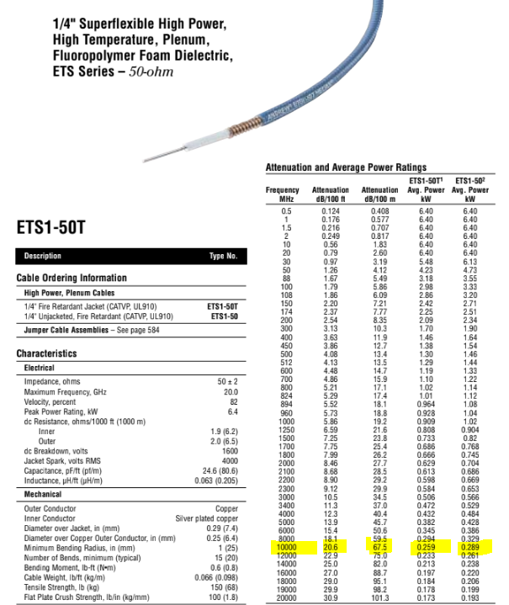
Cable Loss
System Variables | Variable | Units | Equation | Value | Cable Type | @10GHz | Andrews Catalog28
Attenuation at 10GHz | GCab1G | dB/100 ft |  | 20.5 |  |  |  | p477
Attenuation at 10GHz | GCab1G | dB/100m |  | 67.5
Length of Cable | dCab | m |  | 10.3505
Cable Loss Factor | Lcab | dB |  | 6.9614583333

Ground Multipath
 | Free Space Loss | Est. Flat Earth Loss | Exact Flat Earth Loss
106.34183423 | -93.022815488 | -15.13417801 | -90.046767666
106.53996851 | -93.038832377 | -15.166514696 | -90.72423732
106.77735999 | -93.057984314 | -15.205179291 | -91.025630609
107.06178686 | -93.080875956 | -15.251391631 | -90.879457034
107.40256844 | -93.108224746 | -15.306598823 | -90.608913035
107.81087053 | -93.140880322 | -15.372514245 | -90.151643692
108.30007127 | -93.179846579 | -15.451161829 | -101.15795049
108.88619944 | -93.226306437 | -15.544925712 | -90.531148007
109.5884597 | -93.28164923 | -15.656605046 | -98.894708414
110.4298618 | -93.34750039 | -15.789473278 | -99.322247295
111.43797449 | -93.425752765 | -15.94734052 | -101.4120315
112.64582887 | -93.518598476 | -16.134616731 | -118.41367623
114.09300061 | -93.628559583 | -16.356372215 | -97.602261037
115.82690668 | -93.758515135 | -16.618390454 | -142.35811869
117.90435899 | -93.911721274 | -16.927206592 | -94.573239755
120.39342582 | -94.091820152 | -17.290123035 | -91.168990159
123.37566213 | -94.302832547 | -17.71519199 | -93.316889427
126.94878169 | -94.549128453 | -18.211153627 | -92.728307637
131.22985873 | -94.835369864 | -18.787318584 | -96.147971138
136.3591639 | -95.166420779 | -19.453385317 | -92.300458143
142.50476027 | -95.547221509 | -20.219187007 | -101.56326052
149.86800997 | -95.982627848 | -21.094369753 | -95.284654721
158.69017186 | -96.477220478 | -22.088013352 | -94.109065328
169.26030648 | -97.035095685 | -23.208217049 | -96.163375916
181.92474714 | -97.659654022 | -24.461683331 | -102.87638803
197.09844767 | -98.35340753 | -25.853340286 | -100.73542931
215.27857848 | -99.117827256 | -27.386044814 | -114.93887799
237.06081646 | -99.953249985 | -29.060403165 | -97.688662028
263.15886254 | -100.85885648 | -30.874732155 | -103.61983157
294.42782627 | -101.83272414 | -32.825166237 | -108.26243124
331.89224371 | -102.8719471 | -34.905896256 | -127.10113229
376.77964662 | -103.97280807 | -37.109509511 | -104.13002625
430.56078292 | -105.13098168 | -39.427390937 | -102.42619484
494.9978061 | -106.34174717 | -41.850143095 | -112.10075195
572.20201265 | -107.60019165 | -44.367987374 | -106.34367316
664.7030193 | -108.90138917 | -46.971118192 | -108.49903996
775.53164657 | -110.24054722 | -49.64999311 | -110.53826692
908.31922442 | -111.61311724 | -52.395552374 | -129.16276965
1067.4165738 | -113.01487039 | -55.199369805 | -110.31502355
1258.0365624 | -114.44194246 | -58.053742661 | -114.88549116
1486.4249057 | -115.89085327 | -60.951731072 | -112.90184187
1760.0648097 | -117.35850661 | -63.887158525 | -131.12664449
2087.9221597 | -118.84217602 | -66.854584276 | -116.12275711
2480.7392908 | -120.33948133 | -69.84925714 | -119.74672479
2951.3869623 | -121.84835972 | -72.867058311 | -121.13936393
3515.2860728 | -123.36703434 | -75.904439073 | -128.20292467
4190.9129292 | -124.89398247 | -78.958357651 | -122.09659321
5000.4046282 | -126.4279048 | -82.026218071 | -124.32870677
5970.2843844 | -127.96769665 | -85.105812872 | -127.02098988
7132.3305707 | -129.51242164 | -88.195270682 | -131.42826432
...
Range (meters)
Path Loss (dB)
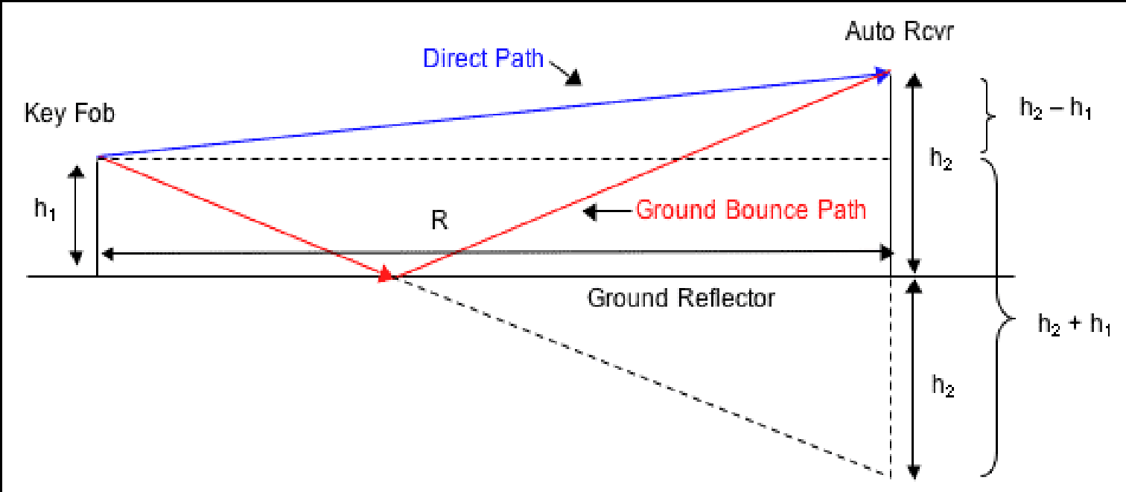
Ground Multipath Loss
<block diagram>

Reference Maxim Application Note AN3586

Ground Reflection Path Loss
System Variables | Variable | Units | Equation | Value
TX height | hTX | m |  | 58.346150227
RX height | hRX | m |  | 47.995684005
Distance | d | m | (from Link Budget sheet) | 51325.088033
Direct Path | d1 | m | d1 = (d2+(hTX-hRX)2)1/2 | 51325.089077
Reflection Path | d2 | m | d2 = (d2+(hTX+hRX)2)1/2 | 51325.198199
Ground Bounce Path | d3 | m | d3 =((d2+(hTX+hTX)2)1/2)/2 | 25662.610344
Reflection Path Δ | Δd | m | Δd = d2 - d1 | 0.10912247645 | Distance Index | Distance | Delta d | Free Space Loss | Est. Flat Earth Loss | Exact Flat Earth Loss
Estimated Reflection Path Δ | Δde | m | Δde = 2hTXhRX/d | 0.10912259468 | 0 | 1.0265017607 | 95.945545406 | -72.789488114 | 65.479599923 | -70.224834557
Wavelength | λ | m | (from Link Budget sheet) | 0.0299792458 | 1 | 2.0530035213 | 95.809542137 | -72.91456743 | 53.438400097 | -77.45659915
Normalized Ground Bounce Amplitude | a | none |  | 1 | 2 | 3.079505282 | 95.587548035 | -73.11534615 | 46.394749735 | -70.183075974
Loss From Ground Bounce Cancellation | LGB | dB | LGB =10log10(0.5(1+a2-2acos(2πΔd/λ))) | 2.1424585774 | 3 | 4.1060070427 | 95.285929468 | -73.381700429 | 41.39720027 | -70.83902757
Free Space Loss | LFS | dB | LFS = 10log10(λ/4πd)2 | 146.65659406 | 4 | 5.1325088033 | 94.912491185 | -73.701775932 | 37.52079975 | -85.226159381
Flat Earth Loss | LFE | dB | LFE = LGB+ LFS | 148.79905264 | 5 | 6.159010564 | 94.475724336 | -74.063426474 | 34.353549908 | -71.787415409
 |  |  |  |  | 6 | 7.1855123247 | 93.984171772 | -74.455296388 | 31.675678323 | -93.387968119
Ground Reflection Path Loss Approximation (for d > 5(hTX+hRX)) |  |  |  |  | 7 | 8.2120140853 | 93.445971687 | -74.867462582 | 29.356000444 | -95.033464964
System Variables | Variable | Units | Equation | Value | 8 | 9.238515846 | 92.868580927 | -75.291691804 | 27.309899546 | -75.644093907
Estimated Flat Earth Loss* | LFEe | dB | LFEe = 10log10(hTX2hRX2/2d4) | -122.47920025 | 9 | 10.265017607 | 92.258645235 | -75.721428512 | 25.479599923 | -73.008713844
Estimated Ground Bounce Cancellation Loss | LGBe | dB | = LFEe - LFS | -269.13579431 | 10 | 11.291519367 | 91.621973184 | -76.151629005 | 23.823892517 | -78.558324243
 |  |  |  |  | 11 | 12.318021128 | 90.963574234 | -76.578529922 | 22.312350082 | -77.538259408
* Introduction to RF Propagation, John S. Seybold, p.172 |  |  |  |  | 12 | 13.344522889 | 90.287730744 | -76.999406986 | 20.921865831 | -75.365800175
 |  |  |  |  | 13 | 14.371024649 | 89.598083587 | -77.412353841 | 19.634478496 | -75.710545324
 |  |  |  |  | 14 | 15.39752641 | 88.897718977 | -77.816093386 | 18.435949561 | -76.478684901
 |  |  |  |  | 15 | 16.424028171 | 88.189249766 | -78.209823956 | 17.314800617 | -76.61332137
 |  |  |  |  | 16 | 17.450529931 | 87.474888112 | -78.593097609 | 16.261643068 | -82.345633488
 |  |  |  |  | 17 | 18.477031692 | 86.756508588 | -78.96572579 | 15.268699719 | -85.033811796
 |  |  |  |  | 18 | 19.503533453 | 86.035702 | -79.327707307 | 14.329455885 | -82.766428609
 |  |  |  |  | 19 | 20.530035213 | 85.313820738 | -79.679173914 | 13.438400097 | -80.041184112
 |  |  |  |  | 20 | 21.556536974 | 84.592016725 | -80.020349575 | 12.590828134 | -78.585045122
 |  |  |  |  | 21 | 22.583038735 | 83.871273034 | -80.35152018 | 11.782692691 | -78.269159247
 |  |  |  |  | 22 | 23.609540495 | 83.152430193 | -80.67301118 | 11.010486483 | -78.909696322
 |  |  |  |  | 23 | 24.636042256 | 82.436208042 | -80.985171204 | 10.271150255 | -81.753292812
 |  |  |  |  | 24 | 25.662544017 | 81.723223924 | -81.288360144 | 9.5619995766 | -111.84599697
 |  |  |  |  | 25 | 26.689045777 | 81.014007844 | -81.582940591 | 8.8806660046 | -79.77390343
 |  |  |  |  | 26 | 27.715547538 | 80.30901513 | -81.869271761 | 8.2250493571 | -84.295568759
 |  |  |  |  | 27 | 28.742049299 | 79.608637031 | -82.147705265 | 7.5932786698 | -79.212160572
 |  |  |  |  | 28 | 29.768551059 | 78.913209621 | -82.418582256 | 6.9836800075 | -82.119998302
 |  |  |  |  | 29 | 30.79505282 | 78.223021301 | -82.682231581 | 6.3947497347 | -82.98914529
 |  |  |  |  | 30 | 31.821554581 | 77.538319136 | -82.938968672 | 5.8251321701 | -80.365193405
 |  |  |  |  | 31 | 32.848056341 | 76.859314237 | -83.189094982 | 5.2736007907 | -83.209913224
 |  |  |  |  | 32 | 33.874558102 | 76.186186333 | -83.4328978 | 4.7390423284 | -82.31077869
 |  |  |  |  | 33 | 34.901059863 | 75.519087686 | -83.670650357 | 4.2204432418 | -97.564870433
 |  |  |  |  | 34 | 35.927561623 | 74.858146435 | -83.902612107 | 3.7168781495 | -130.84888954
 |  |  |  |  | 35 | 36.954063384 | 74.203469482 | -84.12902916 | 3.2274998928 | -87.397233458
 |  |  |  |  | 36 | 37.980565145 | 73.555144981 | -84.350134785 | 2.7515309608 | -81.394082512
 |  |  |  |  | 37 | 39.007066905 | 72.913244486 | -84.566149973 | 2.2882560588 | -89.962405476
 |  |  |  |  | 38 | 40.033568666 | 72.277824826 | -84.777284028 | 1.8370156424 | -94.837839718
 |  |  |  |  | 39 | 41.060070427 | 71.648929739 | -84.983735162 | 1.3972002703 | -98.268240602
 |  |  |  |  | 40 | 42.086572187 | 71.026591293 | -85.18569109 | 0.96824565468 | -87.096998005
 |  |  |  |  | 41 | 43.113073948 | 70.410831146 | -85.383329619 | 0.54962830755 | -83.410769513
 |  |  |  |  | 42 | 44.139575709 | 69.801661642 | -85.576819206 | 0.14086170028 | -83.824153046
 |  |  |  |  | 43 | 45.166077469 | 69.199086787 | -85.766319503 | -0.25850713598 | -86.253568206
 |  |  |  |  | 44 | 46.19257923 | 68.603103112 | -85.951981877 | -0.64890062755 | -83.900099902
 |  |  |  |  | 45 | 47.219080991 | 68.013700436 | -86.133949895 | -1.0307133438 | -84.825956552
 |  |  |  |  | 46 | 48.245582751 | 67.43086255 | -86.312359798 | -1.404314394 | -86.272553658
 |  |  |  |  | 47 | 49.272084512 | 66.854567824 | -86.487340931 | -1.7700495716 | -104.49672508
 |  |  |  |  | 48 | 50.298586273 | 66.284789755 | -86.65901616 | -2.1282432777 | -106.63392242
 |  |  |  |  | 49 | 51.325088033 | 65.721497452 | -86.827502257 | -2.47920025 | -87.311534902

